Sheet1
AT Project 1
Sl.No | Module | TestCase ID | Testing type | Test Case Description | Pre-requisite | Test Steps | TestData | Expected Result | Priority | Author | Date | Actual Result
1 | Employee Login | TC_Login_01 | P | To verify if the successful employee login to ORANGE HRM Portal | Application should be ready | 1.Launch the URL 2. Click given link 3. Enter valid user name and password. 4. Enter the user name as Admin and the Password as admin123 | admin, admin123 | Should allowed the valid credentials | Low | Dhanasekar M | 2023-10-08 | Pass
2 | Employee Login | TC_Login_01 | N | To verify if the successful employee login to ORANGE HRM Portal | Application should be ready | 1.Launch the URL 2. Click given link 3. Enter invalid user name and password. 4. Enter the user name as Admin and the Password as admin12 | admin, admin12 | Should not be allowed the invalid credentials | Low | Dhanasekar M | 2023-10-08 | Pass
3 | Employee Login | TC_Login_02 | N | To verify if the successful employee login to ORANGE HRM Portal | Application should be ready | 1.Launch the URL 2. Click given link 3. Enter invalid user name and password. 4. Enter the invalid user namd and password | test,test123 | Should not be allowed the invalid credentials | Low | Dhanasekar M | 2023-10-08 | Pass | 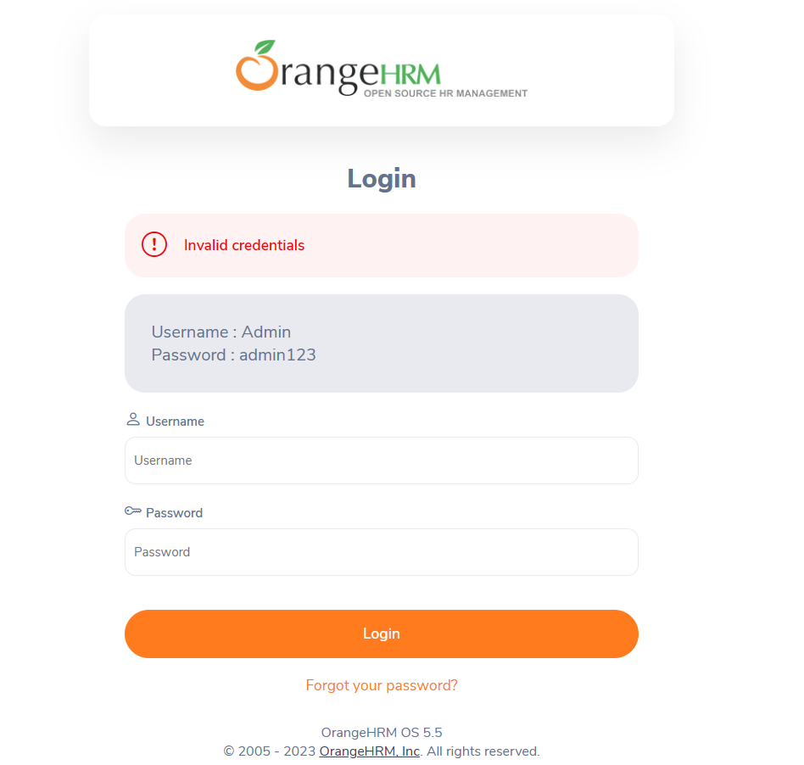
4 | Employee Login | TC_Login_02 | P | To verify if the successful employee login to ORANGE HRM Portal | Application should be ready | 1.Launch the URL 2. Click given link 3. Enter valid user name and invalid password. 4. | admin,test123 | Should not be allowed the invalid credentials | Low | Dhanasekar M | 2023-10-08 | Pass
5 | PIM | TC_PIM_01 | P | To Verify if add a new employee in the PIM module | Application should be ready | 1.Launch the URL 2. Click given link 3. Enter valid email id and password. 4. click Login 5.In the left pane clidk the PIM module and click on add and add new employee details and add personal detailsclick save | add the emolyee details and personal details | Should saved the form with successful message | Low | Dhanasekar M | 2023-10-08 | Pass
6 | PIM | TC_PIM_01 | N | To Verify if add a new employee in the PIM module | Application should be ready | 1.Launch the URL 2. Click given link 3. Enter valid email id and password. 4. click Login 5.In the left pane clidk the PIM module and click on add and add new employee details and add personal detailsclick save | add the employee details with Numeric | Sould not be allowed the numeric | High | Dhanasekar M | 2023-10-08 | Failed
7 | PIM | TC_PIM_01 | N | To Verify if add a new employee in the PIM module | Application should be ready | 1.Launch the URL 2. Click given link 3. Enter valid email id and password. 4. click Login 5.In the left pane clidk the PIM module and click on add and add new employee details and add personal detailsclick save | add the employee details with special characters | Sould not be allowed the special character | High | Dhanasekar M | 2023-10-08 | Failed
8 | PIM | TC_PIM_01 | N | To Verify if add a new employee in the PIM module | Application should be ready | 1.Launch the URL 2. Click given link 3. Enter valid email id and password. 4. click Login 5.In the left pane clidk the PIM module and click on add and add new employee details and add personal detailsclick save | Skip the required fields and click save | Should displayed the error message | Low | Dhanasekar M | 2023-10-08 | Pass
9 | PIM | TC_PIM_01 | N | To verify if the date picker is not accepting future date | Application should be ready | 1.Launch the URL 2. Click given link 3. Enter valid email id and password. 4. click Login 5.In the left pane clidk the PIM module and click on add and add new employee details and add personal details and ciick save | 2023-11-10 | Should not accept the future date | High | Dhanasekar M | 2023-10-08 | Failed
9 | PIM | TC_PIM_01 | N | To Verify if add a new employee in the PIM module | Application should be ready | 1.Launch the URL 2. Click given link 3. Enter valid email id and password. 4. click Login 5.In the left pane clidk the PIM module and click on add and add new employee details and add personal detailsclick save | enter above 30 characters in Military service fields | Should display warning message | Low | Dhanasekar M | 2023-10-08 | Pass
10 | PIM | TC_PIM_02 | P | To Verify if edit an existing employee in the PIM module | Application should be ready | 1.Launch the URL 2. Click given link 3. Enter valid email id and password. 4. click Login 5.In the left pane clidk the PIM module and edit the employee information in the existing list of employees in PIM module | edit the employee details with the help of carot symbol | The form should be saved | Low | Dhanasekar M | 2023-10-08 | Pass
11 | PIM | TC_PIM_02 | N | To Verify if edit an existing employee in the PIM module | Application should be ready | 1.Launch the URL 2. Click given link 3. Enter valid email id and password. 4. click Login 5.In the left pane clidk the PIM module and edit the employee information in the existing list of employees in PIM module | add the employee details with Numeric | Sould not be allowed the numeric | High | Dhanasekar M | 2023-10-08 | Failed
12 | PIM | TC_PIM_02 | N | To Verify if edit an existing employee in the PIM module | Application should be ready | 1.Launch the URL 2. Click given link 3. Enter valid email id and password. 4. click Login 5.In the left pane clidk the PIM module and edit the employee information in the existing list of employees in PIM module | add the employee details with special characters | Sould not be allowed the special character | High | Dhanasekar M | 2023-10-08 | Failed
13 | PIM | TC_PIM_02 | P | To Verify if edit an existing employee in the PIM module | Application should be ready | 1.Launch the URL 2. Click given link 3. Enter valid email id and password. 4. click Login 5.In the left pane clidk the PIM module and edit the employee information in the existing list of employees in PIM module | Skip the required fields and click save | Should displayed the error message | Low | Dhanasekar M | 2023-10-08 | Pass
14 | PIM | TC_PIM_02 | N | To Verify if edit an existing employee in the PIM module | Application should be ready | 1.Launch the URL 2. Click given link 3. Enter valid email id and password. 4. click Login 5.In the left pane clidk the PIM module and edit the employee information in the existing list of employees in PIM module | 2023-12-12 | Should not accept the future date | High | Dhanasekar M | 2023-10-08 | Failed
15 | PIM | TC_PIM_03 | P | To verify if deleted an existing employee in the PIM Module | Application should be ready | 1.Launch the URL 2. Click given link 3. Enter valid email id and password. 4. click Login 5.In the left pane clidk the PIM module and delete the employee information in the existing list of employees in PIM module | delete the employee details with the help of trash icon | The form should be deleted | Low | Dhanasekar M | 2023-10-08 | Pass
16 | PIM | TC_PIM_03 | P | To verify if deleted an existing employee in the PIM Module | Application should be ready | 1.Launch the URL 2. Click given link 3. Enter valid email id and password. 4. click Login 5.In the left pane clidk the PIM module and delete the employee information in the existing list of employees in PIM module | delete the multipe employee detaiils with selected option | The form should be deleted | Low | Dhanasekar M | 2023-10-08 | Pass
17 | PIM | TC_PIM_03 | P | To verify if deleted an existing employee in the PIM Module | Application should be ready | 1.Launch the URL 2. Click given link 3. Enter valid email id and password. 4. click Login 5.In the left pane clidk the PIM module and delete the employee information in the existing list of employees in PIM module | delete all the existing employee details with click on the ID check box | It should ddiplay the how many records are selected to delete | Low | Dhanasekar M | 2023-10-08 | Pass
18 | PIM | TC_PIM_03 | P | To verify if deleted an existing employee in the PIM Module | Application should be ready | 1.Launch the URL 2. Click given link 3. Enter valid email id and password. 4. click Login 5.In the left pane clidk the PIM module and delete the employee information in the existing list of employees in PIM module | delete the employee details with the help of trash icon | The form should be deleted but its not deleted | High | Dhanasekar M | 2023-10-08 | Failed | 